Foglio1


BRAND: CALVIN KLEIN TOT QTY: 1494 TOT WHS €: 98316,3
Macro Images | Season | Brand | Generic Article | Article | Article description | EAN | Color description | Gender | MH4 Business desc | MH5 Product Group desc | MH6 Sub Product Group desc | Size | Units | WHS | TOT WHS | RRPP | Selection Offer | Order | Tot Order
 | SP18 | Calvin Klein | 00000E4445BBK | 00000E4445BBK002 | Danica Ck Momogram/C, BBK, 36 | 191712674006 | BLACK | Women | SPORTSWEAR | Sneakers | Low Cut | 36 | 1 | € 58.25 | € 58.25 | € 140.00 | € 58.25 |  | € -
 | SP18 | Calvin Klein | 00000E4445BBK | 00000E4445BBK005 | Danica Ck Momogram/C, BBK, 39 | 191712674068 | BLACK | Women | SPORTSWEAR | Sneakers | Low Cut | 39 | 6 | € 58.25 | € 349.50 | € 140.00 | € 58.25 |  | € -
 | SP18 | Calvin Klein | 00000E4445BBK | 00000E4445BBK006 | Danica Ck Momogram/C, BBK, 40 | 191712674075 | BLACK | Women | SPORTSWEAR | Sneakers | Low Cut | 40 | 4 | € 58.25 | € 233.00 | € 140.00 | € 58.25 |  | € -
 | SP18 | Calvin Klein | 00000E4445BBK | 00000E4445BBK007 | Danica Ck Momogram/C, BBK, 41 | 192675209083 | BLACK | Women | SPORTSWEAR | Sneakers | Low Cut | 41 | 1 | € 58.25 | € 58.25 | € 140.00 | € 58.25 |  | € -
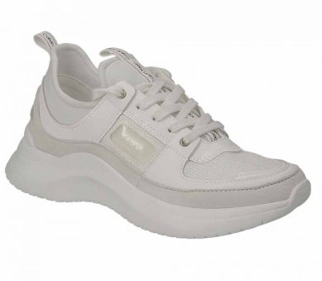 | SS19 | Calvin Klein | 00000E4484WHT | 00000E4484WHT006 | Ultra Nappa/Mesh, WHT, 40 | 192675249607 | WHITE | Women | SPORTSWEAR | Sneakers | Low Cut | 40 | 2 | € 58.25 | € 116.50 | € 140.00 | € 58.25 |  | € -
 | SS19 | Calvin Klein | 00000E4484WHT | 00000E4484WHT005 | Ultra Nappa/Mesh, WHT, 39 | 192675249591 | WHITE | Women | SPORTSWEAR | Sneakers | Low Cut | 39 | 1 | € 58.25 | € 58.25 | € 140.00 | € 58.25 |  | € -
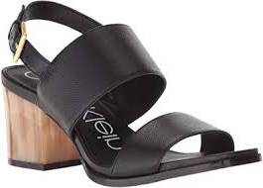 | SP18 | Calvin Klein | 00000E5976BDH | 00000E5976BDH002 | Rosemary Cowsil, BDH, 36 | 191712450457 | BLACK | Women | SPORTSWEAR | Sandals | Sandal | 36 | 25 | € 58.25 | € 1,456.25 | € 140.00 | € 58.25 |  | € -
 | SP18 | Calvin Klein | 00000E5976BDH | 00000E5976BDH003 | Rosemary Cowsil, BDH, 37 | 191712450471 | BLACK | Women | SPORTSWEAR | Sandals | Sandal | 37 | 22 | € 58.25 | € 1,281.50 | € 140.00 | € 58.25 |  | € -
 | SP18 | Calvin Klein | 00000E5976BDH | 00000E5976BDH004 | Rosemary Cowsil, BDH, 38 | 191712450495 | BLACK | Women | SPORTSWEAR | Sandals | Sandal | 38 | 26 | € 58.25 | € 1,514.50 | € 140.00 | € 58.25 |  | € -
 | SP18 | Calvin Klein | 00000E5976BDH | 00000E5976BDH005 | Rosemary Cowsil, BDH, 39 | 191712450518 | BLACK | Women | SPORTSWEAR | Sandals | Sandal | 39 | 83 | € 58.25 | € 4,834.75 | € 140.00 | € 58.25 |  | € -
 | SP18 | Calvin Klein | 00000E5976BDH | 00000E5976BDH006 | Rosemary Cowsil, BDH, 40 | 191712450525 | BLACK | Women | SPORTSWEAR | Sandals | Sandal | 40 | 35 | € 58.25 | € 2,038.75 | € 140.00 | € 58.25 |  | € -
 | SP18 | Calvin Klein | 00000E5976BDH | 00000E5976BDH007 | Rosemary Cowsil, BDH, 41 | 191712450549 | BLACK | Women | SPORTSWEAR | Sandals | Sandal | 41 | 2 | € 58.25 | € 116.50 | € 140.00 | € 58.25 |  | € -
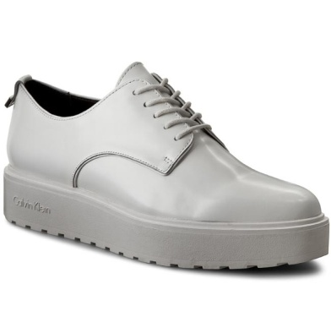 | SP18 | Calvin Klein | 00000E6718PLI | 00000E6718PLI002 | Victorina Cow Si, PLI, 36 | 191712528354 | WHITE | Women | SPORTSWEAR | Shoes | Other Shoes | 36 | 38 | € 58.25 | € 2,213.50 | € 140.00 | € 58.25 |  | € -
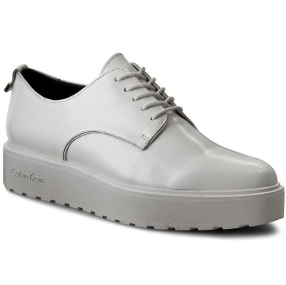 | SP18 | Calvin Klein | 00000E6718PLI | 00000E6718PLI003 | Victorina Cow Si, PLI, 37 | 191712528378 | WHITE | Women | SPORTSWEAR | Shoes | Other Shoes | 37 | 27 | € 58.25 | € 1,572.75 | € 140.00 | € 58.25 |  | € -
 | SP18 | Calvin Klein | 00000E6718PLI | 00000E6718PLI004 | Victorina Cow Si, PLI, 38 | 191712528392 | WHITE | Women | SPORTSWEAR | Shoes | Other Shoes | 38 | 83 | € 58.25 | € 4,834.75 | € 140.00 | € 58.25 |  | € -
 | SP18 | Calvin Klein | 00000E6718PLI | 00000E6718PLI005 | Victorina Cow Si, PLI, 39 | 191712528514 | WHITE | Women | SPORTSWEAR | Shoes | Other Shoes | 39 | 161 | € 58.25 | € 9,378.25 | € 140.00 | € 58.25 |  | € -
 | SP18 | Calvin Klein | 00000E6718PLI | 00000E6718PLI006 | Victorina Cow Si, PLI, 40 | 191712528521 | WHITE | Women | SPORTSWEAR | Shoes | Other Shoes | 40 | 54 | € 58.25 | € 3,145.50 | € 140.00 | € 58.25 |  | € -
 | SP18 | Calvin Klein | 00000E6718PLI | 00000E6718PLI007 | Victorina Cow Si, PLI, 41 | 191712528545 | WHITE | Women | SPORTSWEAR | Shoes | Other Shoes | 41 | 6 | € 58.25 | € 349.50 | € 140.00 | € 58.25 |  | € -
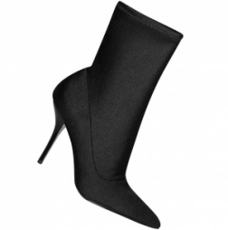 | SP18 | Calvin Klein | 00000E7463BLK | 00000E7463BLK002 | Mirta Heavy Lycra, BLK, 36 | 192675203753 | BLACK | Women | SPORTSWEAR | Boots | Mid Boot | 36 | 3 | € 62.50 | € 187.50 | € 150.00 | € 62.50 |  | € -
 | SP18 | Calvin Klein | 00000E7463BLK | 00000E7463BLK003 | Mirta Heavy Lycra, BLK, 37 | 192675203777 | BLACK | Women | SPORTSWEAR | Boots | Mid Boot | 37 | 7 | € 62.50 | € 437.50 | € 150.00 | € 62.50 |  | € -
 | SP18 | Calvin Klein | 00000E7463BLK | 00000E7463BLK004 | Mirta Heavy Lycra, BLK, 38 | 192675203791 | BLACK | Women | SPORTSWEAR | Boots | Mid Boot | 38 | 9 | € 62.50 | € 562.50 | € 150.00 | € 62.50 |  | € -
 | SP18 | Calvin Klein | 00000E7463BLK | 00000E7463BLK005 | Mirta Heavy Lycra, BLK, 39 | 192675203814 | BLACK | Women | SPORTSWEAR | Boots | Mid Boot | 39 | 9 | € 62.50 | € 562.50 | € 150.00 | € 62.50 |  | € -
 | SP18 | Calvin Klein | 00000E7463BLK | 00000E7463BLK006 | Mirta Heavy Lycra, BLK, 40 | 192675203821 | BLACK | Women | SPORTSWEAR | Boots | Mid Boot | 40 | 6 | € 62.50 | € 375.00 | € 150.00 | € 62.50 |  | € -
 | SP18 | Calvin Klein | 00000E7463BLK | 00000E7463BLK007 | Mirta Heavy Lycra, BLK, 41 | 192675209717 | BLACK | Women | SPORTSWEAR | Boots | Mid Boot | 41 | 1 | € 62.50 | € 62.50 | € 150.00 | € 62.50 |  | € -
 | SP18 | Calvin Klein | 00000E7476BLK | 00000E7476BLK002 | Oni Tangier Nappa/Pa, BLK, 36 | 192675204255 | BLACK | Women | SPORTSWEAR | Shoes | Ballerinas | 36 | 3 | € 46.00 | € 138.00 | € 110.00 | € 46.00 |  | € -
 | SP18 | Calvin Klein | 00000E7476BLK | 00000E7476BLK003 | Oni Tangier Nappa/Pa, BLK, 37 | 192675204279 | BLACK | Women | SPORTSWEAR | Shoes | Ballerinas | 37 | 3 | € 46.00 | € 138.00 | € 110.00 | € 46.00 |  | € -
 | SP18 | Calvin Klein | 00000E7476BLK | 00000E7476BLK005 | Oni Tangier Nappa/Pa, BLK, 39 | 192675204316 | BLACK | Women | SPORTSWEAR | Shoes | Ballerinas | 39 | 5 | € 46.00 | € 230.00 | € 110.00 | € 46.00 |  | € -
 | SP18 | Calvin Klein | 00000E7498BBK | 00000E7498BBK002 | Perron Cow Silk/Elas, BBK, 36 | 192675188210 | BLACK | Women | SPORTSWEAR | Shoes | Other Shoes | 36 | 5 | € 79.15 | € 395.75 | € 190.00 | € 79.15 |  | € -
 | SP18 | Calvin Klein | 00000E7498BBK | 00000E7498BBK004 | Perron Cow Silk/Elas, BBK, 38 | 192675188258 | BLACK | Women | SPORTSWEAR | Shoes | Other Shoes | 38 | 3 | € 79.15 | € 237.45 | € 190.00 | € 79.15 |  | € -
 | SP18 | Calvin Klein | 00000E7498BBK | 00000E7498BBK005 | Perron Cow Silk/Elas, BBK, 39 | 192675188272 | BLACK | Women | SPORTSWEAR | Shoes | Other Shoes | 39 | 54 | € 79.15 | € 4,274.10 | € 190.00 | € 79.15 |  | € -
 | SP18 | Calvin Klein | 00000E7498BBK | 00000E7498BBK006 | Perron Cow Silk/Elas, BBK, 40 | 192675188289 | BLACK | Women | SPORTSWEAR | Shoes | Other Shoes | 40 | 8 | € 79.15 | € 633.20 | € 190.00 | € 79.15 |  | € -
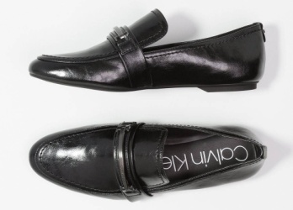 | SS19 | Calvin Klein | 00000E8885BLK | 00000E8885BLK002 | Oracy Varnished Crac, BLK, 36 | 192675469685 | BLACK | Women | SPORTSWEAR | Shoes | Other Shoes | 36 | 16 | € 52.00 | € 832.00 | € 125.00 | € 52.00 |  | € -
 | SS19 | Calvin Klein | 00000E8885BLK | 00000E8885BLK006 | Oracy Varnished Crac, BLK, 40 | 192675469753 | BLACK | Women | SPORTSWEAR | Shoes | Other Shoes | 40 | 34 | € 52.00 | € 1,768.00 | € 125.00 | € 52.00 |  | € -
 | SS19 | Calvin Klein | 00000E8885BLK | 00000E8885BLK004 | Oracy Varnished Crac, BLK, 38 | 192675469722 | BLACK | Women | SPORTSWEAR | Shoes | Other Shoes | 38 | 67 | € 52.00 | € 3,484.00 | € 125.00 | € 52.00 |  | € -
 | SS19 | Calvin Klein | 00000E8885BLK | 00000E8885BLK005 | Oracy Varnished Crac, BLK, 39 | 192675469746 | BLACK | Women | SPORTSWEAR | Shoes | Other Shoes | 39 | 90 | € 52.00 | € 4,680.00 | € 125.00 | € 52.00 |  | € -
 | SS19 | Calvin Klein | 00000E8886BLK | 00000E8886BLK002 | Brittina Varnished C, BLK, 36 | 192675636636 | BLACK | Women | SPORTSWEAR | Sandals | Slide | 36 | 3 | € 60.50 | € 181.50 | € 145.00 | € 60.50 |  | € -
 | SS19 | Calvin Klein | 00000E8886BLK | 00000E8886BLK003 | Brittina Varnished C, BLK, 37 | 192675636643 | BLACK | Women | SPORTSWEAR | Sandals | Slide | 37 | 1 | € 60.50 | € 60.50 | € 145.00 | € 60.50 |  | € -
 | SS19 | Calvin Klein | 00000E8886BLK | 00000E8886BLK005 | Brittina Varnished C, BLK, 39 | 192675636667 | BLACK | Women | SPORTSWEAR | Sandals | Slide | 39 | 34 | € 60.50 | € 2,057.00 | € 145.00 | € 60.50 |  | € -
 | SS19 | Calvin Klein | 00000E8886BLK | 00000E8886BLK006 | Brittina Varnished C, BLK, 40 | 192675636674 | BLACK | Women | SPORTSWEAR | Sandals | Slide | 40 | 14 | € 60.50 | € 847.00 | € 145.00 | € 60.50 |  | € -
 | SS19 | Calvin Klein | 00000E8886BLK | 00000E8886BLK004 | Brittina Varnished C, BLK, 38 | 192675636650 | BLACK | Women | SPORTSWEAR | Sandals | Slide | 38 | 8 | € 60.50 | € 484.00 | € 145.00 | € 60.50 |  | € -
 | SP17 | Calvin Klein | 00000F0849DNY | 00000F0849DNY016 | Ives 2 Knit Weave, DNY, 41 | 190233185053 | BLUE | Men | SPORTSWEAR | Shoes | Other Shoes | 41 | 2 | € 32.50 | € 65.00 | € 78.00 | € 32.50 |  | € -
 | SP17 | Calvin Klein | 00000F0849DNY | 00000F0849DNY020 | Ives 2 Knit Weave, DNY, 43 | 190233185091 | BLUE | Men | SPORTSWEAR | Shoes | Other Shoes | 43 | 2 | € 32.50 | € 65.00 | € 78.00 | € 32.50 |  | € -
 | SP18 | Calvin Klein | 00000F1073WHT | 00000F1073WHT001 | Iyler 2 Nappa Sm, WHT, 40 | 191712223808 | WHITE | Men | SPORTSWEAR | Sneakers | Low Cut | 40 | 2 | € 41.25 | € 82.50 | € 99.00 | € 41.25 |  | € -
 | SP18 | Calvin Klein | 00000F1073WHT | 00000F1073WHT002 | Iyler 2 Nappa Sm, WHT, 41 | 191712223822 | WHITE | Men | SPORTSWEAR | Sneakers | Low Cut | 41 | 1 | € 41.25 | € 41.25 | € 99.00 | € 41.25 |  | € -
 | SP18 | Calvin Klein | 00000F1073WHT | 00000F1073WHT003 | Iyler 2 Nappa Sm, WHT, 42 | 191712223846 | WHITE | Men | SPORTSWEAR | Sneakers | Low Cut | 42 | 3 | € 41.25 | € 123.75 | € 99.00 | € 41.25 |  | € -
 | SP18 | Calvin Klein | 00000F1073WHT | 00000F1073WHT004 | Iyler 2 Nappa Sm, WHT, 43 | 191712223860 | WHITE | Men | SPORTSWEAR | Sneakers | Low Cut | 43 | 13 | € 41.25 | € 536.25 | € 99.00 | € 41.25 |  | € -
 | SP18 | Calvin Klein | 00000F1073WHT | 00000F1073WHT005 | Iyler 2 Nappa Sm, WHT, 44 | 191712223884 | WHITE | Men | SPORTSWEAR | Sneakers | Low Cut | 44 | 26 | € 41.25 | € 1,072.50 | € 99.00 | € 41.25 |  | € -
 | SP18 | Calvin Klein | 00000F1073WHT | 00000F1073WHT006 | Iyler 2 Nappa Sm, WHT, 45 | 191712223891 | WHITE | Men | SPORTSWEAR | Sneakers | Low Cut | 45 | 13 | € 41.25 | € 536.25 | € 99.00 | € 41.25 |  | € -
 | SP18 | Calvin Klein | 00000F1491BLK | 00000F1491BLK002 | Lucca Dress Calf, BLK, 41 | 191712059681 | BLACK | Men | SPORTSWEAR | Shoes | Other Shoes | 41 | 5 | € 58.25 | € 291.25 | € 140.00 | € 58.25 |  | € -
 | SP18 | Calvin Klein | 00000F1491BLK | 00000F1491BLK003 | Lucca Dress Calf, BLK, 42 | 191712059704 | BLACK | Men | SPORTSWEAR | Shoes | Other Shoes | 42 | 7 | € 58.25 | € 407.75 | € 140.00 | € 58.25 |  | € -
 | SP18 | Calvin Klein | 00000F1491BLK | 00000F1491BLK004 | Lucca Dress Calf, BLK, 43 | 191712059728 | BLACK | Men | SPORTSWEAR | Shoes | Other Shoes | 43 | 12 | € 58.25 | € 699.00 | € 140.00 | € 58.25 |  | € -
 | SP18 | Calvin Klein | 00000F1491BLK | 00000F1491BLK005 | Lucca Dress Calf, BLK, 44 | 191712059742 | BLACK | Men | SPORTSWEAR | Shoes | Other Shoes | 44 | 59 | € 58.25 | € 3,436.75 | € 140.00 | € 58.25 |  | € -
 | SP18 | Calvin Klein | 00000F1491BLK | 00000F1491BLK006 | Lucca Dress Calf, BLK, 45 | 191712059759 | BLACK | Men | SPORTSWEAR | Shoes | Other Shoes | 45 | 14 | € 58.25 | € 815.50 | € 140.00 | € 58.25 |  | € -
 | SP17 | Calvin Klein | 00000F1730WHT | 00000F1730WHT018 | Nickson Calf/Laser Te, WHT, 42 | 190919070642 | WHITE | Men | SPORTSWEAR | Sneakers | Low Cut | 42 | 3 | € 74.15 | € 222.45 | € 178.00 | € 74.15 |  | € -
 | SP17 | Calvin Klein | 00000F1730WHT | 00000F1730WHT020 | Nickson Calf/Laser Te, WHT, 43 | 190919070666 | WHITE | Men | SPORTSWEAR | Sneakers | Low Cut | 43 | 11 | € 74.15 | € 815.65 | € 178.00 | € 74.15 |  | € -
 | SP17 | Calvin Klein | 00000F1730WHT | 00000F1730WHT026 | Nickson Calf/Laser Te, WHT, 46 | 190919111802 | WHITE | Men | SPORTSWEAR | Sneakers | Low Cut | 46 | 1 | € 74.15 | € 74.15 | € 178.00 | € 74.15 |  | € -
 | fw-ss16- | Calvin Klein | 00000F1730WHT | 00000F1730WHT014 | Nickson Calf/Laser Te, WHT, 40 | 190919070604 | WHITE | Men | SPORTSWEAR | Sneakers | Low Cut | 40 | 1 | € 74.15 | € 74.15 | € 178.00 | € 74.15 |  | € -
 | fw-ss16- | Calvin Klein | 00000F1730WHT | 00000F1730WHT022 | Nickson Calf/Laser Te, WHT, 44 | 190919070680 | WHITE | Men | SPORTSWEAR | Sneakers | Low Cut | 44 | 1 | € 74.15 | € 74.15 | € 178.00 | € 74.15 |  | € -
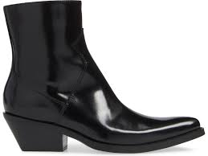 | SP18 | Calvin Klein | 00000R0727BLK | 00000R0727BLK001 | Arianna Box Calf, BLK, 35 | 191712792397 | BLACK | Women | DENIM COLLECTION | Boots | Mid Boot | 35 | 19 | € 102.00 | € 1,938.00 | € 245.00 | € 102.00 |  | € -
 | SP18 | Calvin Klein | 00000R0727BLK | 00000R0727BLK002 | Arianna Box Calf, BLK, 36 | 191712792410 | BLACK | Women | DENIM COLLECTION | Boots | Mid Boot | 36 | 41 | € 102.00 | € 4,182.00 | € 245.00 | € 102.00 |  | € -
 | SP18 | Calvin Klein | 00000R0727BLK | 00000R0727BLK003 | Arianna Box Calf, BLK, 37 | 191712792434 | BLACK | Women | DENIM COLLECTION | Boots | Mid Boot | 37 | 66 | € 102.00 | € 6,732.00 | € 245.00 | € 102.00 |  | € -
 | SP18 | Calvin Klein | 00000R0727BLK | 00000R0727BLK004 | Arianna Box Calf, BLK, 38 | 191712792458 | BLACK | Women | DENIM COLLECTION | Boots | Mid Boot | 38 | 81 | € 102.00 | € 8,262.00 | € 245.00 | € 102.00 |  | € -
 | SP18 | Calvin Klein | 00000R0727BLK | 00000R0727BLK005 | Arianna Box Calf, BLK, 39 | 191712792472 | BLACK | Women | DENIM COLLECTION | Boots | Mid Boot | 39 | 60 | € 102.00 | € 6,120.00 | € 245.00 | € 102.00 |  | € -
 | SP18 | Calvin Klein | 00000R0727BLK | 00000R0727BLK006 | Arianna Box Calf, BLK, 40 | 191712792489 | BLACK | Women | DENIM COLLECTION | Boots | Mid Boot | 40 | 19 | € 102.00 | € 1,938.00 | € 245.00 | € 102.00 |  | € -
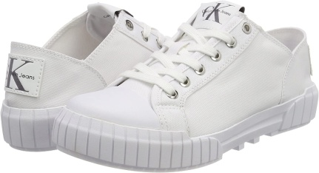 | SP18 | Calvin Klein | 00000R8815WHT | 00000R8815WHT005 | Bianca Nylon, WHT, 39 | 191712200380 | WHITE | Women | DENIM COLLECTION | Sneakers | Low Cut | 39 | 12 | € 41.25 | € 495.00 | € 99.00 | € 41.25 |  | € -
 | SP18 | Calvin Klein | 00000R8815WHT | 00000R8815WHT006 | Bianca Nylon, WHT, 40 | 191712200397 | WHITE | Women | DENIM COLLECTION | Sneakers | Low Cut | 40 | 3 | € 41.25 | € 123.75 | € 99.00 | € 41.25 |  | € -
 | SP17 | Calvin Klein | 00000S1635MTG | 00000S1635MTG014 | Arturo Metal Denim, MTG, 40 | 190919064986 | BLUE | Men | DENIM COLLECTION | Sneakers | Shoe Inspired | 40 | 4 | € 37.00 | € 148.00 | € 89.00 | € 37.00 |  | € -
 | SP17 | Calvin Klein | 00000S1635MTG | 00000S1635MTG016 | Arturo Metal Denim, MTG, 41 | 190919065006 | BLUE | Men | DENIM COLLECTION | Sneakers | Shoe Inspired | 41 | 7 | € 37.00 | € 259.00 | € 89.00 | € 37.00 |  | € -
 | SP17 | Calvin Klein | 00000S1635MTG | 00000S1635MTG018 | Arturo Metal Denim, MTG, 42 | 190919065020 | BLUE | Men | DENIM COLLECTION | Sneakers | Shoe Inspired | 42 | 2 | € 37.00 | € 74.00 | € 89.00 | € 37.00 |  | € -
 | SP18 | Calvin Klein | 00000S1748BLK | 00000S1748BLK002 | Beato Nylon, BLK, 40 | 192675194358 | BLACK | Men | DENIM COLLECTION | Sneakers | Low Cut | 40 | 2 | € 48.00 | € 96.00 | € 115.00 | € 48.00 |  | € -
 | SP18 | Calvin Klein | 00000S1748BLK | 00000S1748BLK003 | Beato Nylon, BLK, 41 | 192675194372 | BLACK | Men | DENIM COLLECTION | Sneakers | Low Cut | 41 | 1 | € 48.00 | € 48.00 | € 115.00 | € 48.00 |  | € -
 | SP18 | Calvin Klein | 00000S1748BLK | 00000S1748BLK004 | Beato Nylon, BLK, 42 | 192675194396 | BLACK | Men | DENIM COLLECTION | Sneakers | Low Cut | 42 | 3 | € 48.00 | € 144.00 | € 115.00 | € 48.00 |  | € -
 | SP18 | Calvin Klein | 00000S1748BLK | 00000S1748BLK005 | Beato Nylon, BLK, 43 | 192675203012 | BLACK | Men | DENIM COLLECTION | Sneakers | Low Cut | 43 | 3 | € 48.00 | € 144.00 | € 115.00 | € 48.00 |  | € -
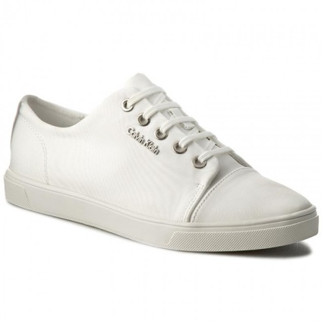 | SP17 | Calvin Klein | 0000N12066WHT | 0000N12066WHT006 | Hamilton Nylon, WHT, 36 | 889680017894 | WHITE | Women | SPORTSWEAR | Sneakers | Low Cut | 36 | 1 | € 49.00 | € 49.00 | € 118.00 | € 49.00 |  | € -
 | SP17 | Calvin Klein | 0000N12066WHT | 0000N12066WHT010 | Hamilton Nylon, WHT, 38 | 889680017917 | WHITE | Women | SPORTSWEAR | Sneakers | Low Cut | 38 | 2 | € 49.00 | € 98.00 | € 118.00 | € 49.00 |  | € -
 | SP17 | Calvin Klein | 0000N12066WHT | 0000N12066WHT012 | Hamilton Nylon, WHT, 39 | 889680017924 | WHITE | Women | SPORTSWEAR | Sneakers | Low Cut | 39 | 5 | € 49.00 | € 245.00 | € 118.00 | € 49.00 |  | € -
 | SP17 | Calvin Klein | 0000N12066WHT | 0000N12066WHT014 | Hamilton Nylon, WHT, 40 | 889680017931 | WHITE | Women | SPORTSWEAR | Sneakers | Low Cut | 40 | 10 | € 49.00 | € 490.00 | € 118.00 | € 49.00 |  | € -
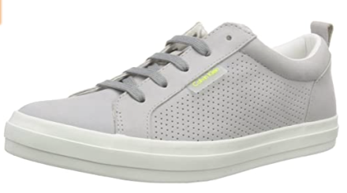 | fw-ss16- | Calvin Klein | 0000O11075SMO | 0000O11075SMO014 | Prisco Perf Nubuck/Nub SMO, 40 | 802124929546 |  | Men | SPORTSWEAR | Sneakers | Low Cut | 40 | 2 | € 70.50 | € 141.00 | € 158.00 | € 70.50 |  | € -
 | fw-ss16- | Calvin Klein | 0000O11075SMO | 0000O11075SMO016 | Prisco Perf Nubuck/Nub SMO, 41 | 802124929553 |  | Men | SPORTSWEAR | Sneakers | Low Cut | 41 | 1 | € 70.50 | € 70.50 | € 158.00 | € 70.50 |  | € -
 | fw-ss16- | Calvin Klein | 0000O11075SMO | 0000O11075SMO018 | Prisco Perf Nubuck/Nub SMO, 42 | 802124929560 |  | Men | SPORTSWEAR | Sneakers | Low Cut | 42 | 1 | € 70.50 | € 70.50 | € 158.00 | € 70.50 |  | € -
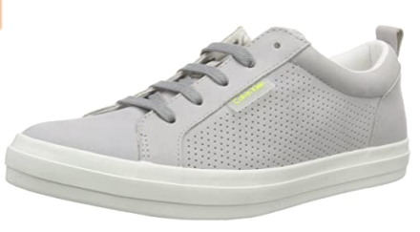 | fw-ss16- | Calvin Klein | 0000O11075SMO | 0000O11075SMO020 | Prisco Perf Nubuck/Nub SMO, 43 | 802124929577 |  | Men | SPORTSWEAR | Sneakers | Low Cut | 43 | 2 | € 70.50 | € 141.00 | € 158.00 | € 70.50 |  | € -
 | fw-ss16- | Calvin Klein | 0000O11075SMO | 0000O11075SMO022 | Prisco Perf Nubuck/Nub SMO, 44 | 802124929584 |  | Men | SPORTSWEAR | Sneakers | Low Cut | 44 | 1 | € 70.50 | € 70.50 | € 158.00 | € 70.50 |  | € -
 | fw-ss16- | Calvin Klein | 0000O11075SMO | 0000O11075SMO024 | Prisco Perf Nubuck/Nub SMO, 45 | 802124929591 |  | Men | SPORTSWEAR | Sneakers | Low Cut | 45 | 1 | € 70.50 | € 70.50 | € 158.00 | € 70.50 |  | € -
 | fw-ss16- | Calvin Klein | 0000RE9195WHT | 0000RE9195WHT002 | Farrah Fine Mesh/Print WHT, 36 | 802124864083 |  | Women | DENIM COLLECTION | Sneakers | Low Cut | 36 | 1 | € 41.00 | € 41.00 | € 98.00 | € 41.00 |  | € -
 | fw-ss16- | Calvin Klein | 0000RE9195WHT | 0000RE9195WHT003 | Farrah Fine Mesh/Print WHT, 37 | 802124864090 |  | Women | DENIM COLLECTION | Sneakers | Low Cut | 37 | 1 | € 41.00 | € 41.00 | € 98.00 | € 41.00 |  | € -
 | fw-ss16- | Calvin Klein | 0000RE9195WHT | 0000RE9195WHT005 | Farrah Fine Mesh/Print WHT, 39 | 802124864113 |  | Women | DENIM COLLECTION | Sneakers | Low Cut | 39 | 1 | € 41.00 | € 41.00 | € 98.00 | € 41.00 |  | € -
 | FF19 | Calvin Klein | 000B4E1629040 | 000B4E1629040004 | Ariah-Pump-Metallicb, 040, 38 | 192675870382 | SILVER | Women | SPORTSWEAR | Shoes | Pumps | 38 | 2 | € 62.00 | € 124.00 | € 149.00 | € 62.00 |  | € -
 | FF19 | Calvin Klein | 000B4E7866001 | 000B4E7866001004 | Aliyah-Pump-Patent, 001, 38 | 194060209081 | BLACK | Women | SPORTSWEAR | Shoes | Pumps | 38 | 4 | € 62.00 | € 248.00 | € 149.00 | € 62.00 |  | € -

